Cover Page
STRICTLY FOR PIAS' FA REPRESENTATIVES REFERENCE ONLY
(NOT FOR CIRCULATION TO PROSPECTS OR CLIENTS)



Standalone Cancer Placemat
(Early / Intermediate / Advanced)

Product Structure
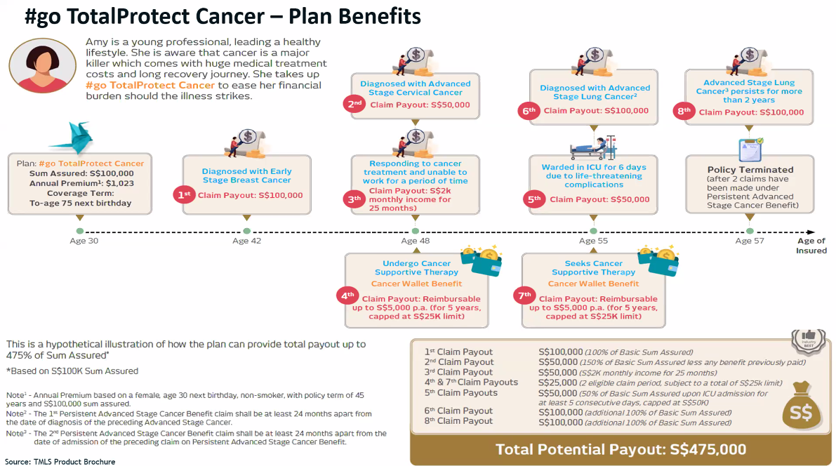
Note: Product Structure for China Life SOPHY is not available.

 | Etiqa Essential Cancer Care

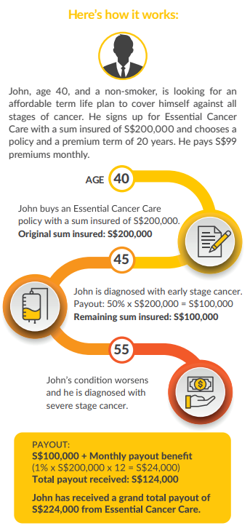

 | Income Complete Cancer Care

 | Care 100
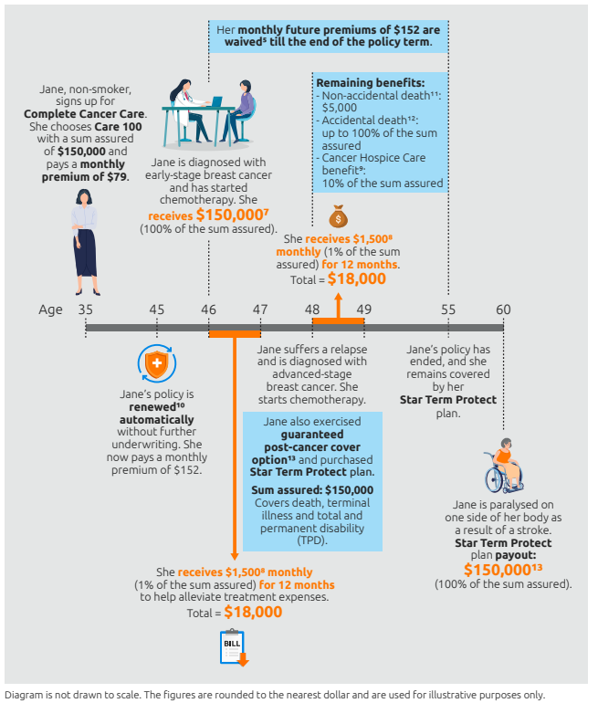

 | Care 50
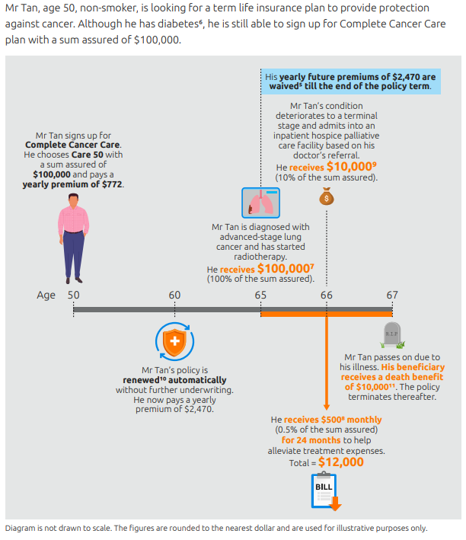

 | Manulife EarlyCancer Protect
 | 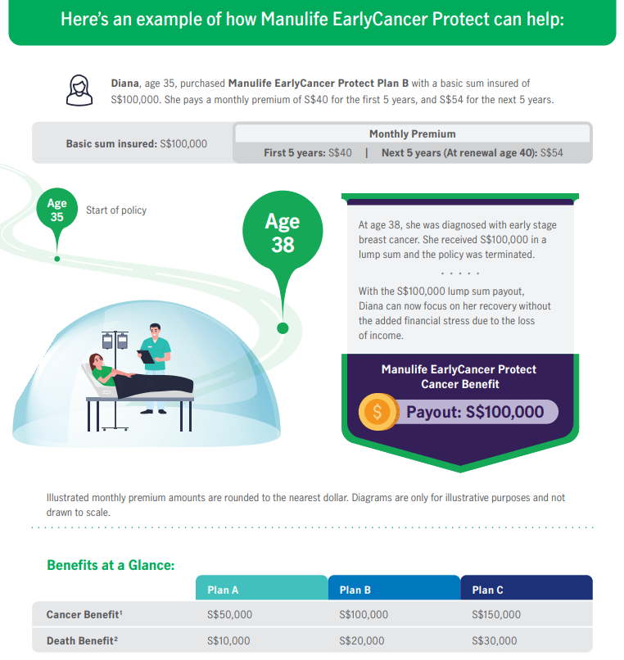

 | Tokio Marine Protect Cancer

Life assured takes up TM Protect Cancer with sum assured of $100,000.
The life assured is diagnosed with early stage breast cancer
Three months later, her breast cancer evolved into advanced stage
She will receive the payout of: $100,000 x 50% = $50,000
Sum assured of $50,000 remains in force after the payout of 50% of sum assured for early stage breast cancer.
She will receive the payout of:
Remaining sum assured of $50,000. Thereafter, the policy terminates.

 | Tokio Marine #go TotalProtect Cancer

Cancer Coverage
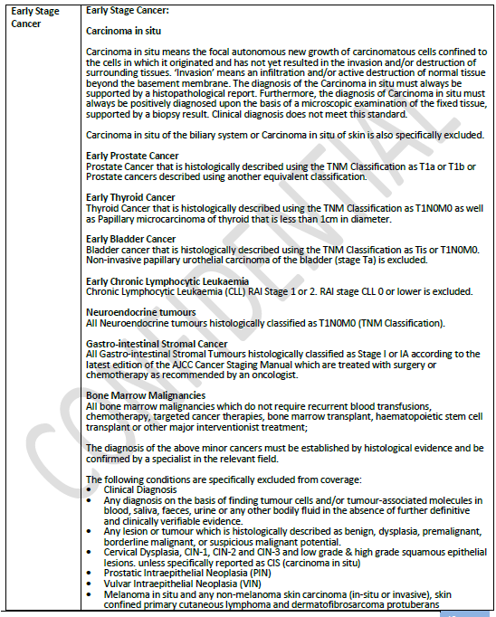
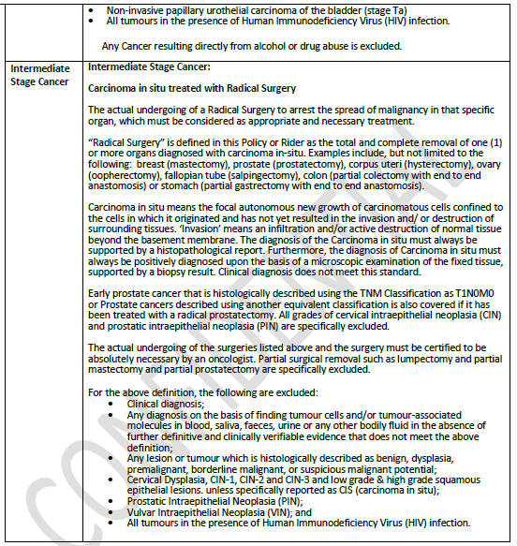
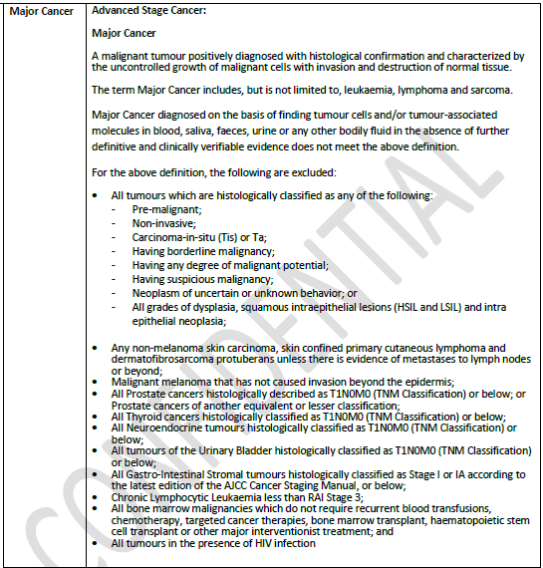
 | China Life SOPHY
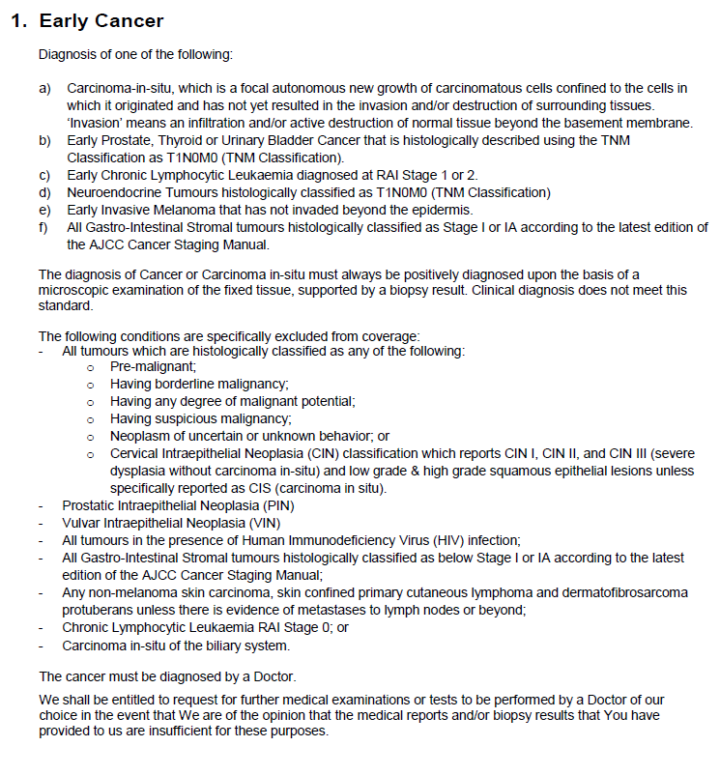

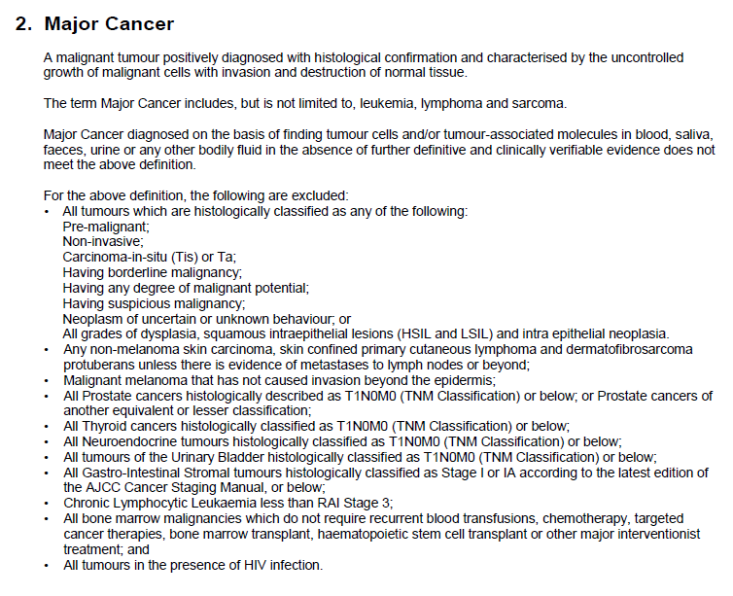

 | Etiqa Essential Cancer Care
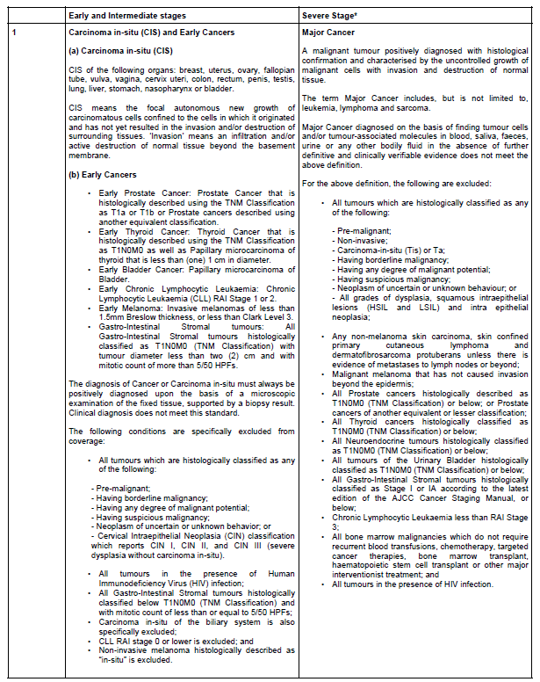

 | Income Complete Cancer Care
 | 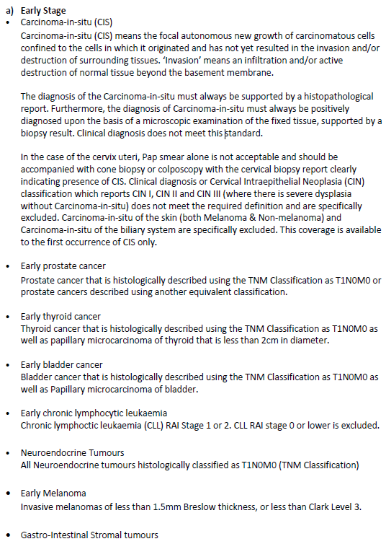
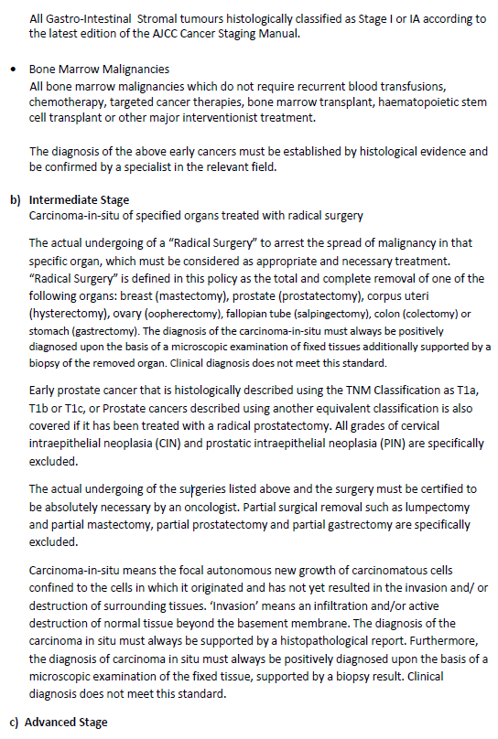

 | 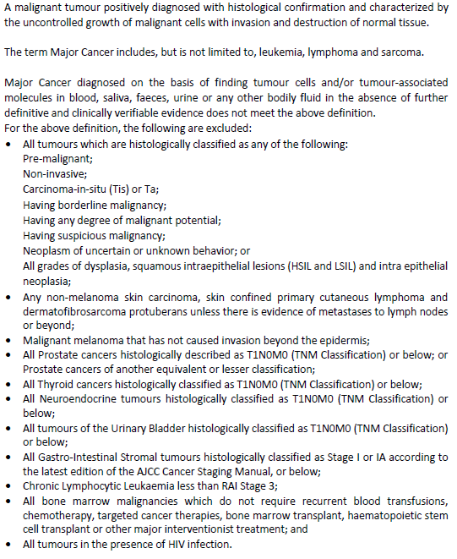
 | Manulife EarlyCancer Protect
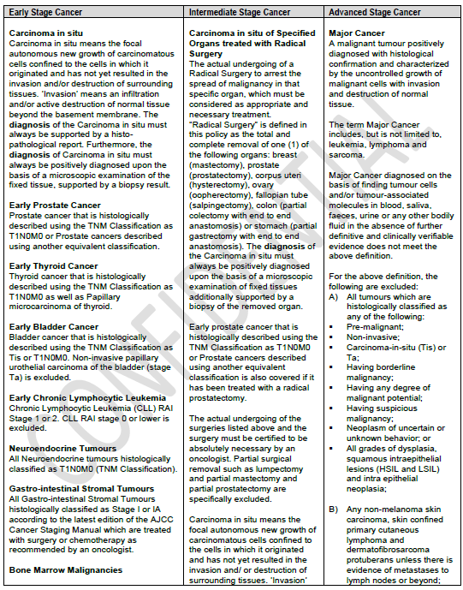

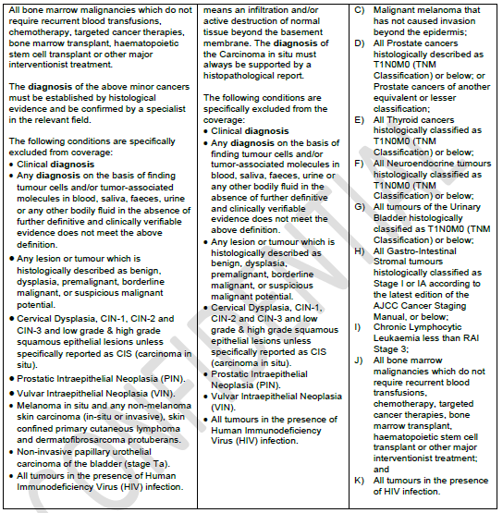

 | Tokio Marine Protect Cancer

 | 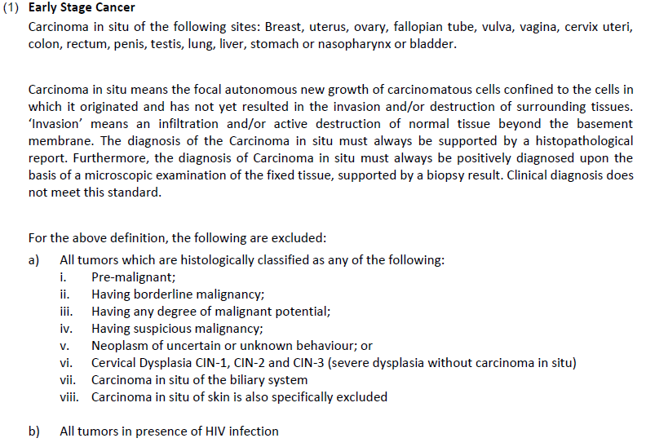
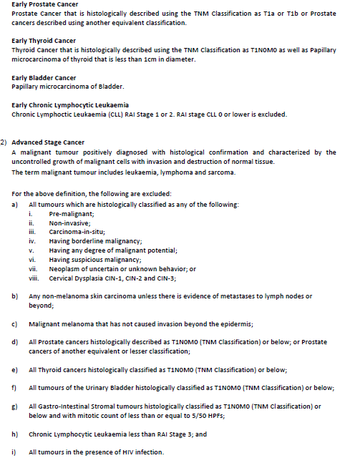

 | Tokio Marine #go TotalProtect Cancer

